1. Title Page
Customer Analyzation

Project Name: Instacart Customer Analyzation
Date: 04/17/2024
Analyst Name: Jonah Lucero

Contents:
Population Flow
Consistency checks
Wrangling steps
Column derivations
Visualizations
Recommendations

2. Population Flow
Population flow

Orders_products_combined
Orders_products_merged
Orders_products_fin

Total: 32,404,859
Total: 32,434,489
Total: 32,404,859

1.) The grey boxes in the first row of the population flow represent the original data sets as they were when you downloaded them. In the Total fields you need to add the count of the rows when you imported the data set into Jupyter.
2.) The second row of boxes (coloured) represents the data sets after you manipulated them, e.g., removed missing values and duplicates. In the Total fields you need to add the count of the rows after conducting these operations. This offers a visual oveview of how the data flows throughout the data consistency checks.
3.) The third row, where also the arrows are coloured, represents the merges you performed between the datasets. In the Total fields you need to add the count of the rows in the merged datasets, so that you end up with the final dataset (in the red box). Keep in mind the final dataset should be without exclusions (based on the exclusion flag).
Exclusion flag
Condition: max_order < 4
Obervations to be removed: max_order < 5
Final total count of instacart_nolowactivity: 30,964,564

3. Consistency checks
Consistency checks

Dataset | Missing values | Missing values treatment | Duplicates
orders | 206209 | replaced with zero (0) | n/a
products | 16 | dropped from the dataframe | 5
orders_products_prior | none |  | none
customers | 11259 | left as is as it does not affect data analyzation | 0

4. Wrangling steps
Wrangling steps

Columns dropped | Columns renamed | Columns type changed | Comment/Reason
eval_set |  |  | not needed
 | order_dow |  | title is not straightforward; charged to order_days_of_week
 |  | order_id | change to string type so it doesn't calculate
 | orders_hour_of_day |  | column title is too long; changed to order_timestamp

5. Column derivations
Column derivations and aggregations

Dataset | New column | Column/s it was derived from | Conditions
ords_prods_fin.pkl | loyalty_flag | max_order | If there has been >40 order then flag as 'loyal customer'; If orders are between 11 and 40 then flag as 'regular customer'; If orders are 10 or less, then flag as 'new customer'
ords_prods_fin.pkl | spender_habit2 | price then spender_habit | If the mean of the prices for product purchased is lower then 10, then flag as 'Low spender'; If the mean of the prices of the product purchased is more than or equal to 10, then flag as 'High spender'
ords_prods_fin.pkl | frequency_buyer | days_since_prior_order | If the median of 'days_since_prior_order' is higher than 20, then flag as 'Non-frequent customer'; If the median is higher than 10 but less than or equal to 20, then flag as 'Regular customer'; If the median is lower than or equal to 10, then flag as 'Frequent customer'

6. Visualizations
Visualisations

In this tab you should include all the visualtions from Exercises 4.9 and 4.10, alongside the questions from the project brief that they answer. Include any commentary on the relationship between different variables.

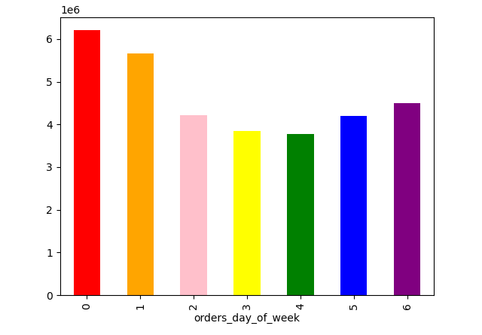

Figure 1. Bar chart of which day has the highest sale. 0 stants for Saturday and 1 would be Sunday.
With that information, Saturday and Sunday have the highest sale of the week and Tuesday and Wednesday have the lowest sale.
Ads can be scheduled the most during the Tuesday and Wednesday to boost sales.



 | prices

Figure 2. Histogram of the prices. This shows that prices between >0 and <15 have higher frequency of usage for all products
The marketing and sales team can promote this price range for most of the products.

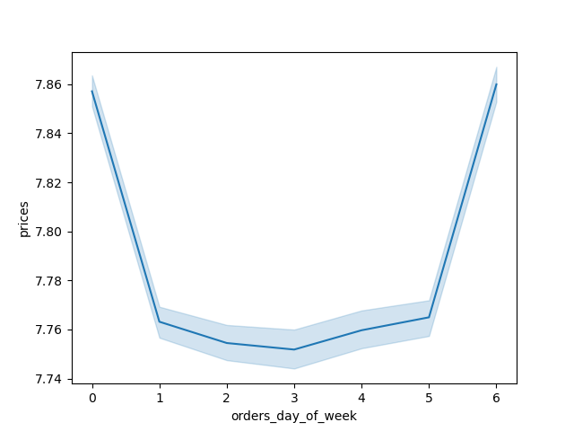

Figure 3. This line graphs shows that on average customers spend more expensive products on Fridays and Saturdays.
Ads can be strategically placed depending on the pricing of the products.

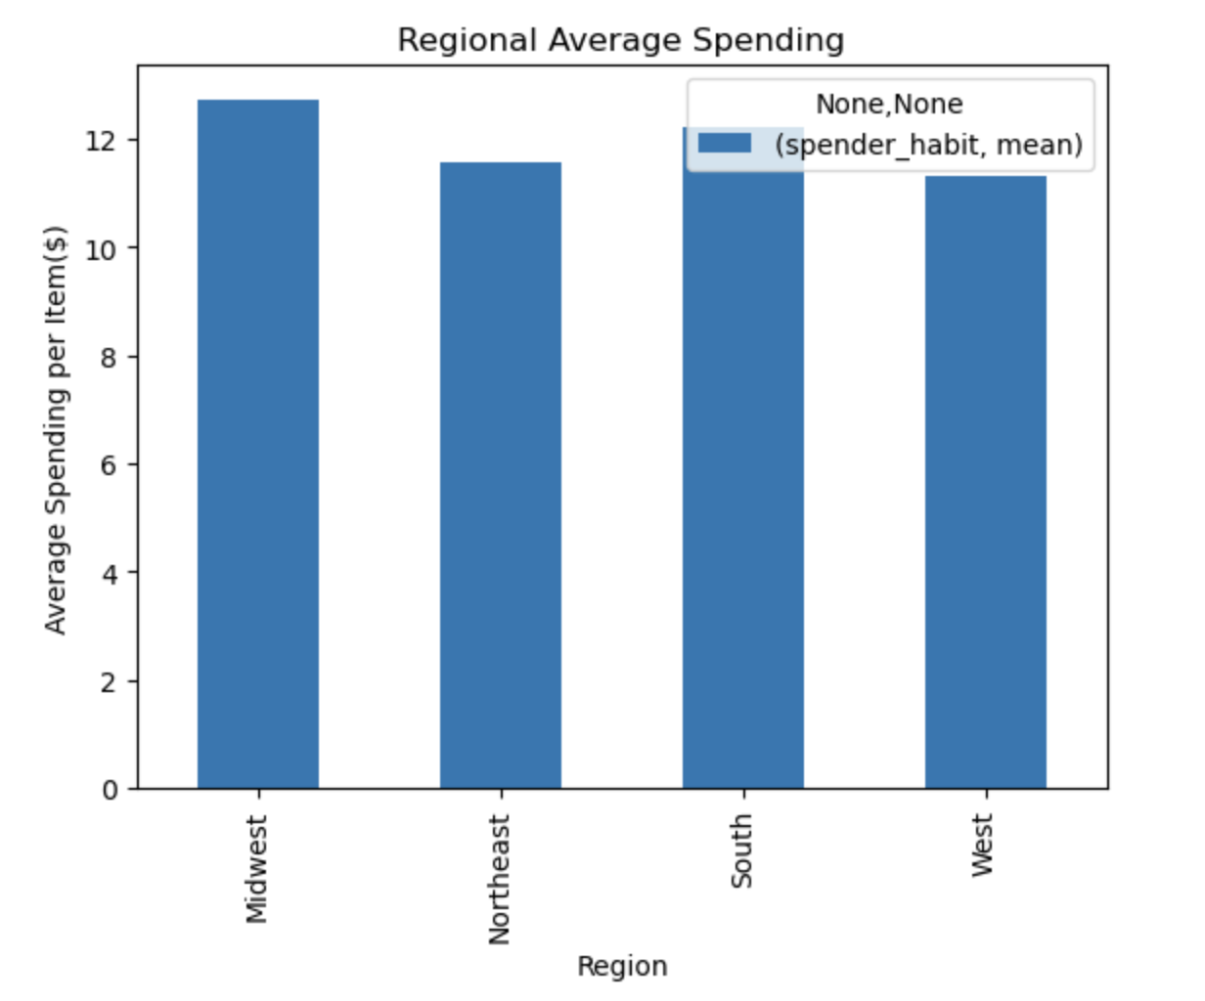

Figure 4. Regional Spending bar charts where United States are divided into 4 categories.
This bar chart shows that Midwest spends more money per item in comparison to Northeast.

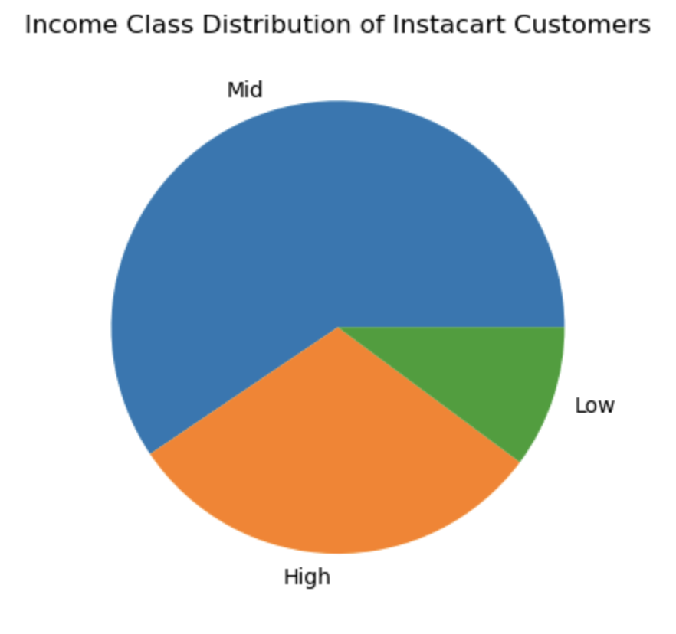

Figure 5. Pie chart for the income class distribution and a bar chart for the age distribution.
The pie chart shows that the middle class income (income between $48,500 and $119,000) are the majority of the customers.

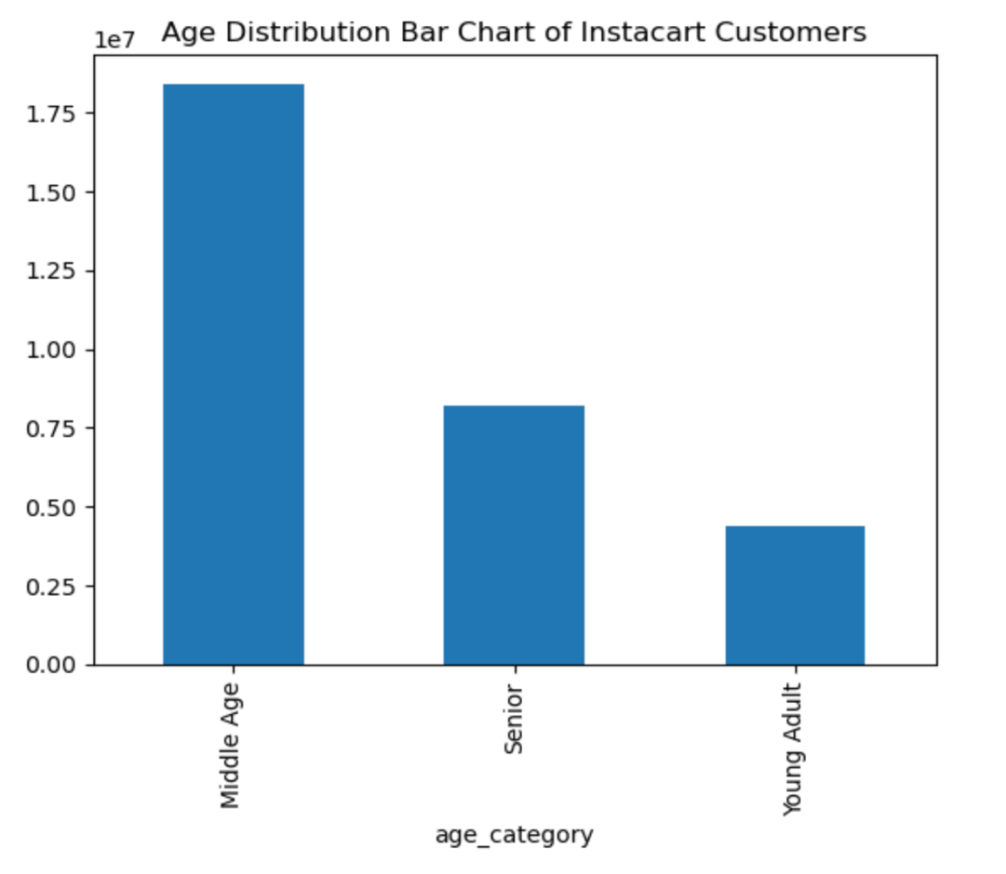
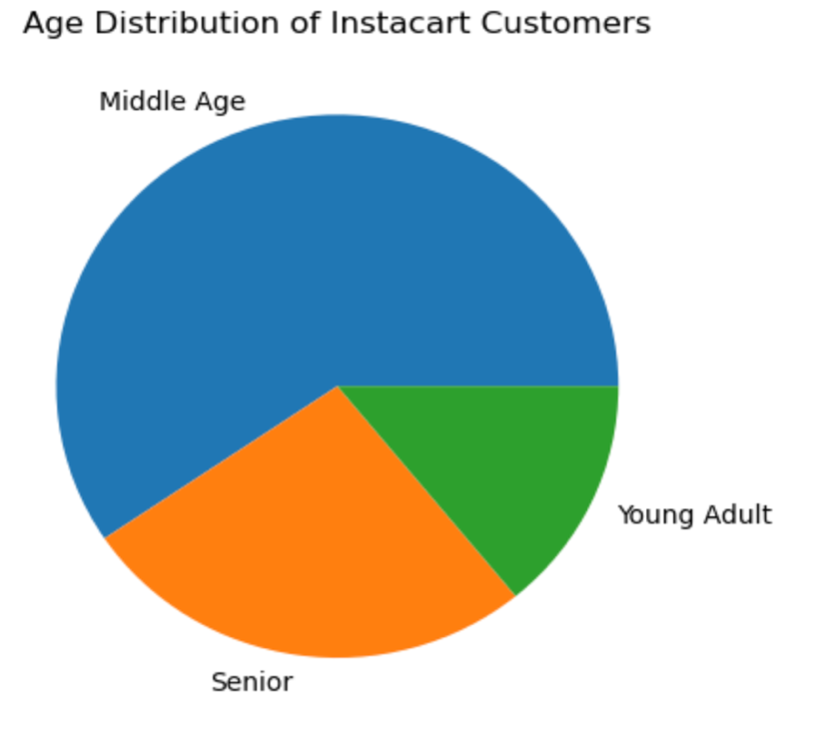

Figure 6. Bar chart and pie chart of age distribution.
Bar and pie chart show that Middle Age (ages between 26 and 64) are the majority of the customers.

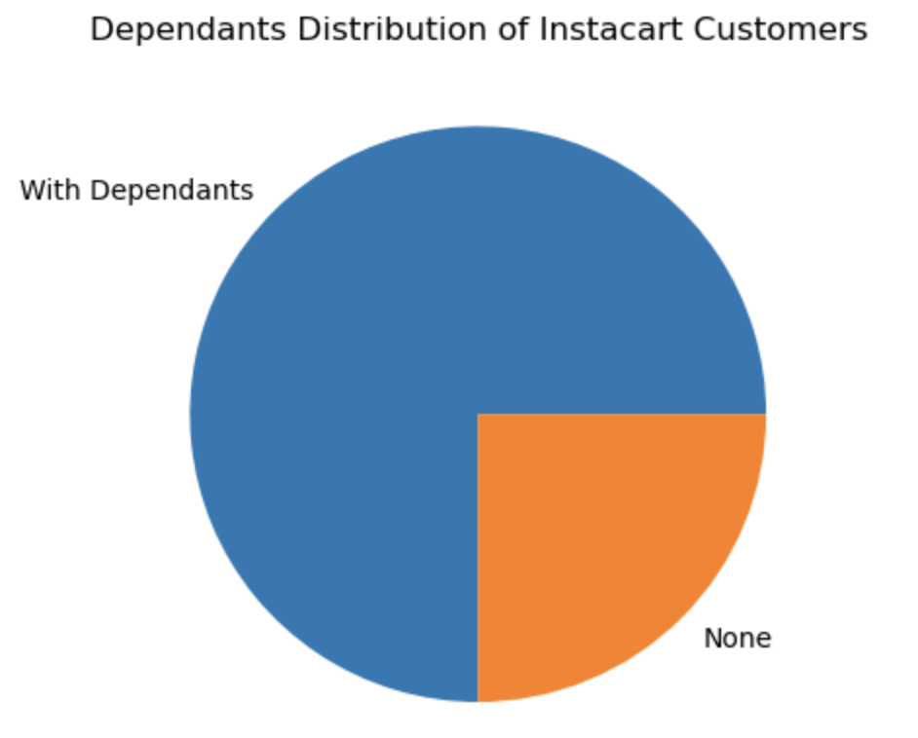

Figure 7. Pie chart of customers with or without dependants.
Quarter of the customers has dependant(s).

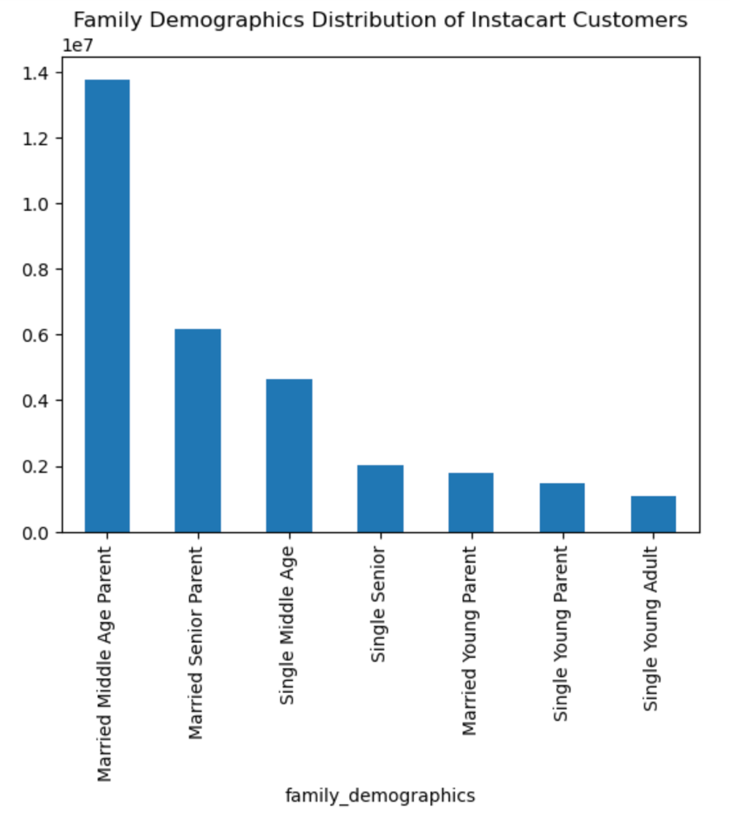

Figure 9. Family demographics of the customers.
Married Middle Age Parents are the highest amount of customers.

7. Recommendations
Recommendations

In this tab you should include any recommendations you would made to Instcart in terms of their marketing strategy based on the questions posed in the brief. Every key question has been covered in the Tasks of the Exercises - here you need to add an item - a visualisation or table/crosstable that is showing the answer in the data, acompanied by a comment from you. Please, list the questions below and add the answer underneath.

Questions
What's the distribution among users in regards to their brand loyalty?
- | There are three loyalty categories to the brand: New Customer, Regular Customer, and Loyal Customer
- | New Customers are users with less than or equal to 10 orders, Regular Customers are those with orders between >10 to 40.
 | Loyal Customers are those with > 40 orders.
 | Here's the total per each category: |  | Percentage per category:
 | New Customers: | 7334019000 | 5%
 | Regular Customers: | 61387170000 | 40%
 | Loyal Customers: | 83191430000 | 55%

Are there differences in ordering habits based on a customer's loyalty status?
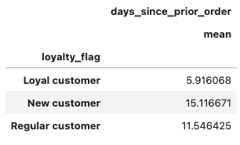
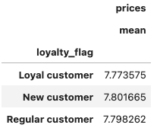

 | With Loyal customers, they averagely order every ~6 days.
 | Regular customers order every 11.5 days and New customers order every 15.1 days
 | All loyalty types spends about the same per item.

Are there differences in ordering habits based on a customer's region?



 | There is not a big differences per region for average spending per item.

Is there a connection between age and family status in terms of ordering habits?



 |  |  |  | On the left is a profile distribution of the users.
 |  |  |  | Married Middle Age Parents have the highest count of customers.

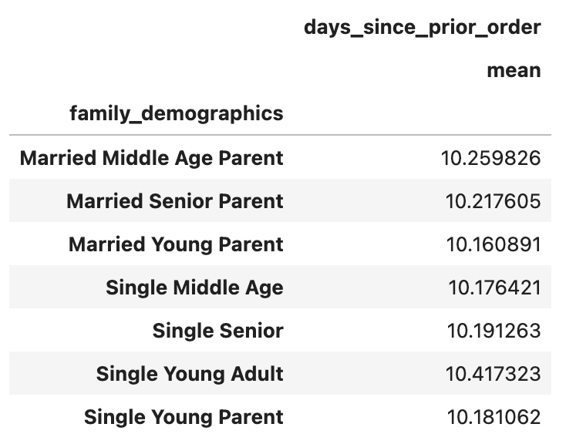
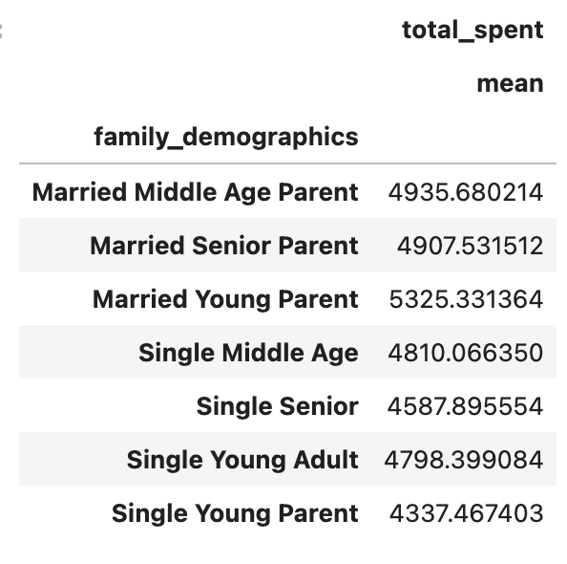

 | On the left chart, all family profile types of customers have about the same average of when they come back to reorder.
 | However the chart on the right shows that Married Young Parent spends the highest on average and Single Young Parent spends the least.
 | This is an interesting finding as both of the family profile are young parent, the only difference is whether they're single or not.
 | Married Young Parent spends almost one thousand more than Single Young Parent.

